Guidelines
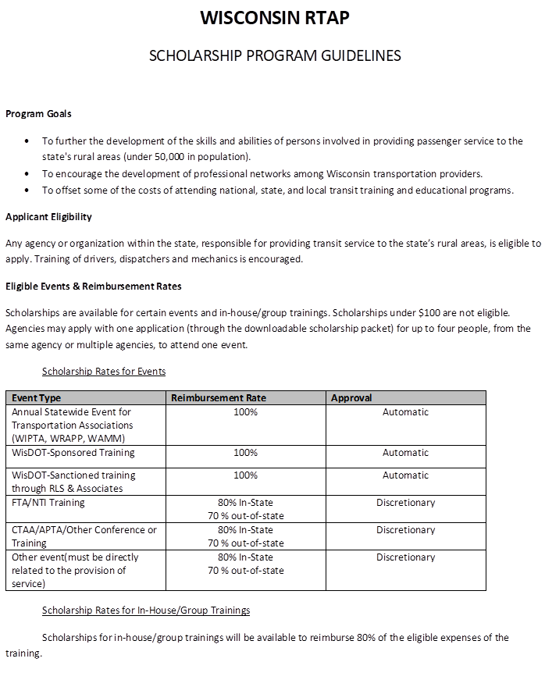

Application
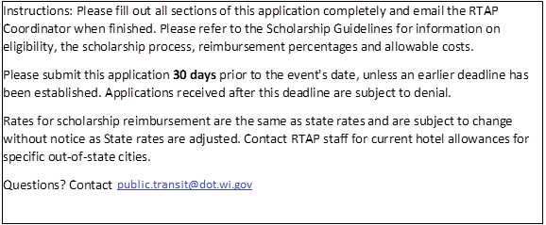
 | WISCONSIN RTAP
 | SCHOLARSHIP APPLICATION FORM

 | CONTACT INFORMATION
 | Agency Name:
 | Participant Name(s):
 | Address:

 | Contact person : |  |  |  |  | *(if different than participant)
 | Contact email:
 | Contact phone:
 | EVENT INFORMATION
 | Event name:
 | Event Location:
 | Event Dates:
 | Event Description:
 | *Scholarships are available to enable transit providers in rural areas to receive training to better provide transit service. Please describe how this event is directly related to the provision of transit service.

 | Attendee Information - For Event Attendance ONLY (N/A for In-House/Group Training)
Attendee 1 | Name: | Position/Title:
 | Organization:

Attendee 2 | Name: | Position/Title:
 | Organization:

Attendee 3 | Name: | Position/Title:
 | Organization:

Attendee 4 | Name: | Position/Title:
 | Organization:

 | ESTIMATE EXPENSES FOR EVENT ATTENDANCE
 |  | Attendee 1 | Attendee 2 | Attendee 3 | Attendee 4
 | Registration:
 | Lodging
 | In-State # of Nights
 | In-State Cost per night:
 | In-state subtotal: | $0.00 | $0.00 | $0.00 | $0.00

 | Out-of-state # of Nights
 | out-of-state Cost per night
 | Out-of-state subtotal: | $0.00 | $0.00 | $0.00 | $0.00
 | Transportation
 | # of Miles Driven:
 | Mileage subtotal ($0.51 per mile) | $0.00 | $0.00 | $0.00 | $0.00
 | Airfare
 | Taxi
 | Parking
 | Car Rental
 | Other:
 | Transportation Subtotal: | $0.00 | $0.00 | $0.00 | $0.00
 | Meals
 | # of In-state Breakfasts:
 | In-state Breakfasts cost: | $0.00 | $0.00 | $0.00 | $0.00
 | # of In-state Lunches:
 | In-state Lunches cost: | $0.00 | $0.00 | $0.00 | $0.00
 | # of In-state Dinners:
 | In-state Dinners cost: | $0.00 | $0.00 | $0.00 | $0.00

 | # of Out-of-state Breakfasts:
 | Out-of-state Breakfasts cost: | $0.00 | $0.00 | $0.00 | $0.00
 | # of Out-of-state Lunches:
 | Out-of-state Lunches cost: | $0.00 | $0.00 | $0.00 | $0.00
 | # of Out-of-state Dinners:
 | Out-of-state Dinners cost: | $0.00 | $0.00 | $0.00 | $0.00
 | Meals Subtotal: | $0.00 | $0.00 | $0.00 | $0.00
 | EXPENSE TOTAL: | $0.00 | $0.00 | $0.00 | $0.00
 | *Reimbursement % varies by event type- see guidelines tab for rates per type

 | IN-HOUSE/ GROUP TRAINING EXPENSES
 | Trainer/Speaker Cost
 | Training Materials
 | Reproduction Costs
 | Travel Costs
 | # of Miles Driven:
 | Mileage Rate | $0.51
 | Mileage Subtotal: | $0.00
 | Meal Costs
 | # of Meals Provided:
 | Cost per meal:
 | Meal Subtotal: | $0.00
 | Other Costs

 | EXPENSE TOTAL: | $0.00
 | SCHOLARSHIP AMOUNT: 80% OF TOTAL | $0.00

